Baggage Rules, 2016
Baggage Rules, 2016

Introduction : | Baggage Rules, 2016
 | [M.F.(D.R.) Notification No. 30/2016-Cus. (N.T.) dated 1-3-2016 as amended]

 | In exercise of the powers conferred by section 79 of the Customs Act, 1962 (52 of 1962),and in supersession of the Baggage Rules, 1998, except as respects things done or omitted to be done before such supersession, the Central Government hereby makes the following rules, namely:-

Rule 1 : Short title and commencement | (1) These rules may be called the Baggage Rules, 2016.

 | (2) They shall come into force on the 1st day of April, 2016.

Rule 2 : Definitions | (1) In these rules, unless the context otherwise requires,-

 | (i) "Annexure" means Annexure appended to these rules;

 | (ii) "family" includes all persons who are residing in the same house and form part of the same domestic establishment;

 | (iii) "infant" means a child not more than two years of age;

 | (iv) "resident" means a person holding a valid passport issued under the Passports Act, 1967 (15 of 1967) and normally residing in India;

 | (v) "tourist" means a person not normally resident in India, who enters India for a stay of not more than six months in the course of any twelve months period for legitimate non-immigrant purposes;

 | (vi) "personal effects" means things required for satisfying daily necessities but does not include jewellery.

 | (2) Words and expression used and not defined in these rules but defined in the Customs Act, 1962 (52 of 1962) shall have the same meaning respectively assigned to them in the said Act.

Rule 3 : Passenger arriving from countries other than Nepal, Bhutan or Myanmar | A n Indian resident or a foreigner residing in India or a tourist of Indian origin, not being an infant arriving from any country other than Nepal, Bhutan or Myanmar, shall be allowed clearance free of duty articles in his bona fide baggage, that is to say, -

 | (a) used personal effects and travel souvenirs; and

 | (b) articles other than those mentioned in Annexure-I, upto the value of fifty thousand rupees if these are carried on the person or in the accompanied baggage of the passenger:

 | Provided that a 2[tourist of foreign origin], not being an infant, shall be allowed clearance free of duty articles in his bona fide baggage, that is to say,

 | (a) used personal effects and travel souvenirs; and

 | (b) articles other than those mentioned in Annexure-I, upto the value of fifteen thousand rupees if the seare carried on the person or in the accompanied baggage of the passenger:

 | Provided further that where the passenger is an infant, only used personal effects shall be allowed duty free.

 | Explanation.- The free allowance of a passenger under this rule shall not be allowed to pool with the free allowance of any other passenger.

 | 1. Substituted (w.e.f. 1-4-2016) by Notification No. 43/2016-Cus. (N.T.), dated 31-3-2016.

 | 2. Corrected by M.F. (D.R.) Corrigendum F. No. 520/09/2016-Cus. VI, dated 1-4-2016.

Rule 4 : Passenger arriving from Nepal, Bhutan or Myanmar | An Indian resident or a foreigner residing in India or a tourist, not being an infant arriving from Nepal, Bhutan or Myanmar, shall be allowed clearance free of duty articles in his bona fide baggage, that is to say,

 | (a) used personal effects and travel souvenirs; and

 | (b) articles other than those mentioned in Annexure -I up to the value of fifteen thousand rupees if these are carried on the person or in the accompanied baggage of the passenger:

 | Provided that where the passenger is an infant, only used personal effects shall be allowed duty free:

 | Provided further that where the passenger is arriving by land, only used personal effects shall be allowed duty free.

 | Explanation - The free allowance of a passenger under this rule shall not be allowed to pool with the free allowance of any other passenger.]

 | 1. Substituted(w.e.f. 1-4-2016) by Notification No. 43/2016-Cus. (N.T.), dated 31-3-2016

Rule 5 : Jewellery | A passenger residing abroad for more than one year, on return to India, shall be allowed clearance free of duty in his bona fide baggage of jewellery upto a weight, of twenty grams with a value cap of fifty thousand rupees if brought by a gentleman passenger, or forty grams with a value cap of one lakh rupees if brought by a lady passenger.

Rule 6 : Transfer of residence | (1) A person, who is engaged in a profession abroad, or is transferring his residence to India, shall, on return, be allowed clearance free of duty in addition to what he is allowed under rule3 or, as the case may be, under rule 4, articles in his bonafide baggage to the extent mentioned in column (2) of the Appendix below, subject tothe conditions, if any, mentioned in the corresponding entry in column (3) of the said Appendix.

 | (2) The conditions mentioned in column (3) of the said Appendix may be relaxed to the extent mentioned in column (4) of the said Appendix.
 | APPENDIX
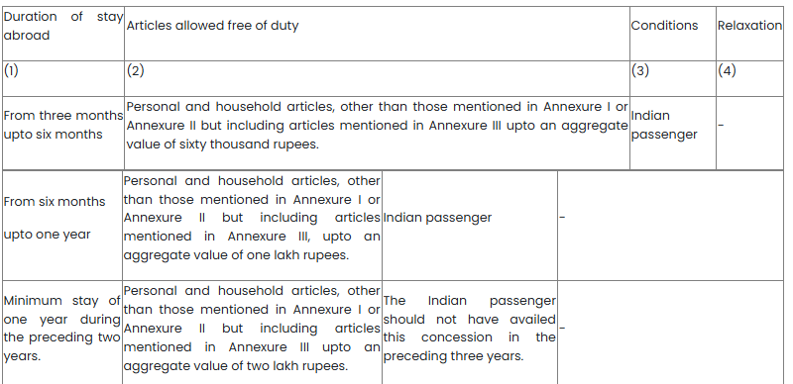

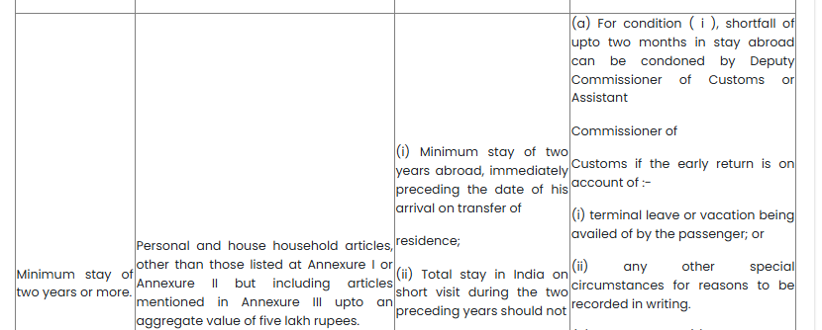

 | 1. Substituted ( w.e.f 1-4-2016)by Notification No. 43/2016-Cus. (N.T.), dated 31-3-2016

Rule 7 : Currency | The import and export of currency under these rules shall be governed in accordance with the provisions of the Foreign Exchange Management (Export and Import of Currency) Regulations, 1 [2015],and the notifications issued thereunder.

 | 1. Substituted ( w.e.f 1-4-2016) by Notification No. 43/2016-Cus. (N.T.), dated 31-3-2016.

Rule 8 : Provisions regarding unaccompanied baggage | (1) These rules shall apply to unaccompanied baggage except where they have been specifically excluded:

 | Provided that the said unaccompanied baggage had been in the possession, abroad, of the passenger and is dispatched within one month of his arrival in India or within such further period as the Deputy Commissioner of Customs or Assistant Commissioner of Customs may allow:

 | Provided further that the said unaccompanied baggage may land in India upto two months before the arrival of the passenger or within such period, not exceeding one year, as the Deputy Commissioner of Customs or Assistant Commissioner of Customs may allow, for reasons to be recorded, if he is satisfied that the passenger was prevented from arriving in India within the period of two months due to circumstances beyond his control, such as sudden illness of the passenger or a member of his family, or natural calamities or disturbed conditions or disruption of the transport or travel arrangements in the country or countries concerned or any other reasons, which necessitated a change in the travel schedule of the passenger.

Rule 9 : Application of these rules to members of the crew | (1) These rules shall also apply to the members of the crew engaged in a foreign going conveyance for importation of their baggage at the time of final pay off on termination of their engagement.

 | (2) Notwithstanding anything contained in sub-rule (1), a member of crew of a vessel or an aircraft other than those referred to in sub-rule (1), shall be allowed to bring articles like chocolates, cheese, cosmetics and other petty gift items for their personal or family use which shall not exceed the value of one thousand and five hundred rupees.

ANNEXURE I : (See rule 3, 4 and 6) | 1. Firearms.

 | 2. Cartridges of fire arms exceeding 50.

 | 3. Cigarettes exceeding 100 sticks or cigars exceeding 25 or tobacco exceeding 125 gms .

 | 4. Alcoholic liquor or wines in excess of two liters .

 | 5. Gold or silver in any form other than ornaments.

 | 6. Flat Panel (Liquid Crystal Display/Light-Emitting Diode/ Plasma) television.

ANNEXURE II : (See rule 6) | 1. Colour Television.

 | 2. Video Home Theatre System.

 | 3. Dish Washer.

 | 1 [4.Domestic Refrigerators of capacity above 300 litres or its equivalent.]

 | 5. Deep Freezer.

 | 6. Video camera or the combination of any such Video camera with one or more of the following goods, namely:-

 | (a) television receiver;

 | (b) sound recording or reproducing apparatus;

 | (c) video reproducing apparatus.

 | 7. Cinematographic films of 35mm and above.

 | 8. Gold or Silver, in any form, other than ornaments

 | 1. Substituted ( w.e.f 1-4-2016) by Notification No. 43/2016-Cus. (N.T.), dated 31-3-2016

ANNEXURE III : (See rule 6) | 1. Video Cassette Recorder or Video Cassette Player or Video Television Receiver or Video Cassette Disk Player.

 | 2. Digital Video Disc player.

 | 3. Music System.

 | 4. Air-Conditioner.

 | 5. Microwave Oven.

 | 6. Word Processing Machine.

 | 7. Fax Machine.

 | 8. Portable Photocopying Machine.

 | 9. Washing Machine.

 | 10. Electrical or Liquefied Petroleum Gas Cooking Range

 | 11. Personal Computer (Desktop Computer)

 | 12. Laptop Computer (Note book Computer)

 | 13. Domestic Refrigerators of capacity up to 300 litres or its equivalent.

Baggage Rules, 2026
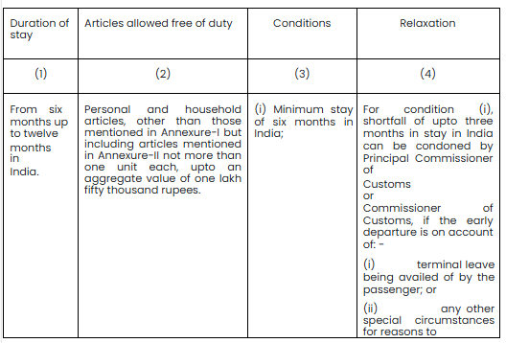
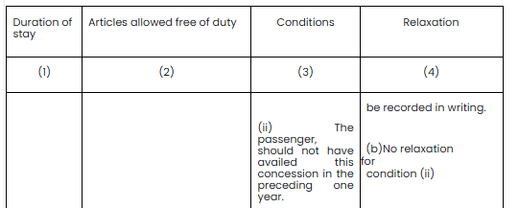
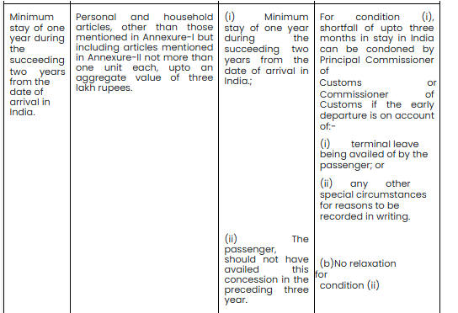
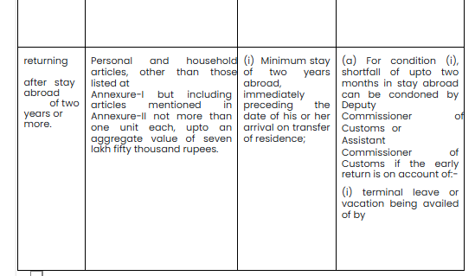
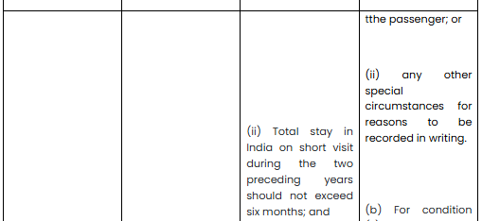
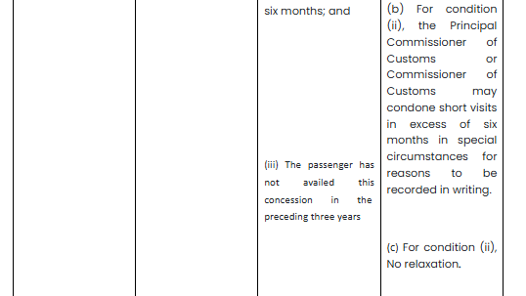
Baggage Rules, 2026

Introduction : | Baggage Rules, 2026
 | In exercise of the powers conferred by section 79 of the Customs Act, 1962 (52 of 1962), and in supersession of the Baggage Rules, 2016, except as respects things done or omitted to be done before such supersession, the Central Government hereby makes the following rules, namely :-

Rule 1 : Short title and commencement | (1) These rules may be called the Baggage Rules, 2026

 | (2) They shall come into force on the 2nd of February, 2026

Rule 2 : Definitions | (1) In these rules, unless the context otherwise requires, -

 | (a)“Act” means the Customs Act, 1962 (52 of 1962);

 | (b)“Annexure” means the Annexures appended to these rules;

 | (c)“Appendix” means the Appendix appended to these rules;

 | (d)“foreigner with a valid visa, other than tourist visa” means a foreigner possessing a valid visa, other than a tourist visa and staying in India for more than six months;

 | (e)“infant” means a child not more than two years of age;

 | (f)"jewellery” means articles of adornment ordinarily worn by a person, made of gold, silver, platinum or such other precious metals, whether studded or not;

 | (g)“personal effects” means all articles (new or used) which a passenger may reasonably require for his personal use during the journey, taking into account all the circumstances of the journey, but excluding any goods imported or exported for commercial purposes;

 | (h)“resident” means a person ordinarily residing in India and holding a valid passport issued under the Passports Act, 1967 (15 of 1967);

 | (i)“tourist” means a person not ordinarily resident in India and who enters India for a stay of not more than six months in the course of any twelve months period for legitimate non-immigrant purposes

 | (2) Words and expressions used and not defined in these rules but defined in the Customs Act, 1962 (52 of 1962) and the Customs Tariff Act, 1975 (51 of 1975) shall have the same meanings respectively as assigned to them in the said Acts

Rule 3 : Duty free imports of personal effects | A passenger, including an infant arriving in India, shall be allowed clearance of used personal effects required for satisfying daily necessities of life and travel souvenirs, carried on the person or in his bona fide baggage, free of duty, other than those articles mentioned in Annexure-I

Rule 4 : Provisions for re-import and temporary import | (1) Any article of personal effects other than used personal effects required for satisfying daily necessities of life, taken out earlier by the resident or tourist of Indian origin or foreigner with a valid visa, other than tourist visa, or member of his family, from India shall be allowed free of duty, on submission of declaration made at the time of his departure from India electronically or otherwise, subject to the satisfaction of the same by the Deputy Commissioner of Customs or Assistant Commissioner of Customs, as the case may be

 | (2) Any article of personal effects other than used personal effects required for satisfying daily necessities of life, carried by a tourist, required for his stay in India, may be allowed to be imported temporarily free of duty, on submission of a declaration made electronically or otherwise, and subject to their re-export at the time of leaving India for a foreign destination

 | (3) The passengers availing the facility under this rule, may be subject to risk based verification

Rule 5 : General free allowance | A resident or a tourist of Indian origin or foreigner with a valid visa, other than tourist visa, not being an infant, arriving in India other than by land, shall be allowed clearance free of duty articles other than those mentioned in Annexure-I, up to the value of seventy-five thousand rupees, if such articles are carried on the person or in the bona fide accompanied baggage of the passenger:

 | Provided that a tourist of foreign origin, not being an infant, arriving in India other than by land, shall be allowed clearance free of duty articles other than those mentioned in Annexure-I, up to the value of twenty-five thousand rupees, if these are carried on the person or in the bona fide accompanied baggage of the passenger:

 | Provided further that where the passenger arriving in India by land, only used personal effects required for satisfying daily necessities of life, shall be allowed duty free:

 | Provided also that a passenger of the eighteen years of age or above, other than a crew member, shall be allowed clearance of one new laptop including notepad free of duty in bona fide baggage

 | Explanation – For the purposes of this rule, the free allowance of a passenger shall not be allowed to pool with the free allowance of any other passenger

Rule 6 : Special allowance for jewellery | A resident or tourist of Indian origin residing abroad for more than one year, on return to India shall be allowed duty free clearance of jewellery upto a weight of forty grams, if brought by a female passenger or twenty grams if brought by a passenger other than a female passenger in bona fide baggage

Rule 7 : Transfer of residence | (1) A resident or tourist of Indian origin, engaged in a profession abroad or transfers his residence to India, on return, shall be allowed clearance free of duty, in addition to what he is allowed under rule 3 or, as the case may be, under rule 5, articles in bona fide baggage to the extent mentioned in column (2), subject to the conditions, if any, mentioned in the corresponding entry in column (3) and relaxed to such extent by the authority mentioned in column (4), of Appendix-I

 | (2) A foreigner with a valid visa, other than tourist visa, engaged in any profession in India or transferring his residence to India, on arrival, shall be allowed clearance free of duty, in addition to what he is allowed under rule 3 or, as the case may be, under rule 5, articles in bona fide baggage to the extent mentioned in column (2), subject to the conditions, if any, mentioned in the corresponding entry in column (3) and relaxed to such extent by the authority mentioned in column (4), of Appendix- II

 | (3) The personal and household articles specified in Annexure-II may be brought on transfer of residence upto the value mentioned in Appendix-I and II

 | (4) Where there is a shortfall in the prescribed duration of stay in India, the passenger shall, without delay, inform the Principal Commissioner of Customs or the Commissioner of Customs, as the case may be, having jurisdiction over the customs station where the duty free clearance was allowed and shall pay the applicable duty, if any, alongwith interest

Rule 8 : Currency | The import and export of currency under these rules shall be governed in accordance with the provisions of the Foreign Exchange Management (Export and Import of Currency) Regulations, 2015, and the notifications issued thereunder

Rule 9 : Pets | The import of pets by a passenger shall be regulated by the rules notified by any Ministry or Department or any authority of the Central Government

Rule 10 : Provisions regarding unaccompanied baggage | (1) These rules shall apply to all unaccompanied baggage unless otherwise excluded under these rules:

 | Provided that the Deputy Commissioner of Customs or Assistant Commissioner of Customs, as the case may be, may allow the unaccompanied baggage if it is in the possession of the passenger abroad and dispatched within one month of his arrival in India or within such period:

 | Provided further that the Deputy Commissioner of Customs or Assistant Commissioner of Customs, as the case may be, may allow unaccompanied baggage to land in India upto two months before the arrival of the passenger or within such period, not exceeding one year, for reasons to be recorded in writing, if he is satisfied that the passenger was prevented from arriving in India within the period of two months due to circumstances beyond his control, such as sudden illness of the passenger or a member of his family, or natural calamities or disturbed conditions or disruption of the transport or travel arrangements in the country or countries concerned or any other reasons, which necessitated a change in the travel schedule of the passenger

ANNEXURE I : (See rules 3, 5 and 7) | 1Fire arms

 | 2Cartridges of fire arms exceeding 50

 | 3Cigarettes exceeding 100 sticks or cigars exceeding 25 or tobacco exceeding 125gms

 | 4Alcoholic liquor or wines in excess of two litres

 | 5Gold or silver in any form other than ornaments

 | 6Television

ANNEXURE-II (See rule 7) | 1.Home Theatre System

 | 2.Air-Conditioner

 | 3.Microwave Oven

 | 4.Washing Machine

 | 5.Gas Cooking Range

 | 6.Personal Computer (Desktop Computer)

 | 7.Laptop or Notepad

 | 8.Domestic Refrigerator

 | 9.Television

 | 10.Dish Washer

 | 11.Deep Freezer

 | 12.Video camera or the combination of any such Video camera with one or more of the following goods, namely: -
 | (a) television receiver;
 | (b) sound recording or reproducing apparatus;
 | (c) video reproducing apparatus

 | 13.Vacuum Cleaner

 | 14.Air Fryer

 | 15.Dryer machine

 | 16.Air cooler

 | 17.Play station or any other gaming console

 | 18.Water Dispenser

 | 19.Oil heater

 | 20.Electric Oven

 | 21.Musical Instrument (Piano or Guitar, etc)

 | 22.Tablet (e.g., iPad)

 | 23.Small Bluetooth Speakers

 | 24.Air Purifier

 | 25.Dehumidifier

 | 26.Multifunction Printer

 | 27.Robotic Vacuum Cleaner

 | 28.Massage Chair

 | 29.Projector

 | 30.Amplifier

Appendix I : (Allowance available to resident and tourist of Indian Origin) | APPENDIX- I (See rule 7) (Allowances available to resident and tourist of Indian origin)
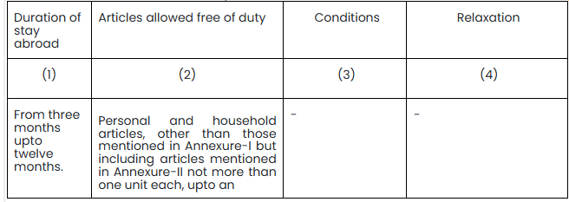

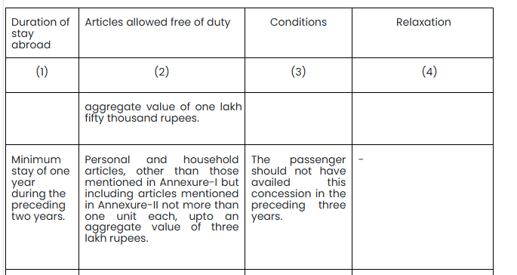

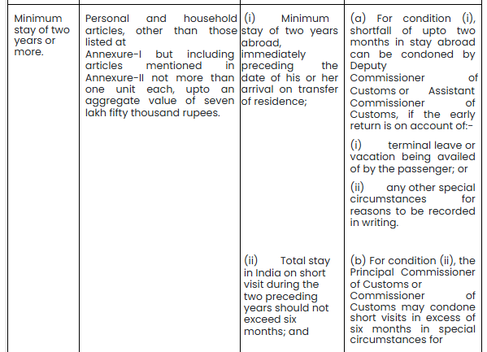

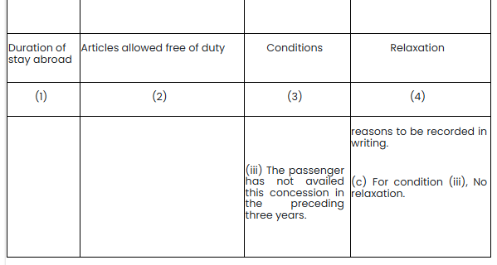

Appendix II : (Allowance available to foreigner with valid visa other than tourist visa) | APPENDIX- II (See rule 7) (Allowance available to foreigner with valid visa other than tourist visa)

Customs Rules, 2005
Customs (Compounding of Offences) Rules, 2005

Introduction : | Customs (Compounding of offences) Rules, 2005
 | [Notification No. 114/2005-Cus. (N.T.), dated 30-12-2005 as amended by Notification No. 118/2008-Cus. (N.T.), dated 12-11-2008;
 | ​Notification No. 56/2014-Cus. (N.T.), dated 6-08-2014; Notification No. 69/2022-Cus. (N.T.), dated 22-08-2022]

 | In exercise of the powers conferred by clause (h) of sub-section (2) of section 156, read with sub-section (3) of section 137, of the Customs Act, 1962 (52 of 1962), the Central Government hereby makes the following rules, namely :-

Rule 1 : Short title and commencement | (1) These rules may be called the Customs (Compounding of Offences) Rules, 2005.

 | (2) They shall come into force on the date of their publication in the Official Gazette.

Rule 2 : Definitions | In these rules, unless the context otherwise requires, -

 | (a) "Act" means the Customs Act, 1962 (52 of 1962);

 | (b) "applicant" means any importer, exporter or any other person, but shall not include officers of Customs as appointed by Board or 1[Principal Commissioner of Customs or Commissioner of Customs, as the case may be] under section 4;

 | (c) "compounding authority" means the 1[Principal Chief Commissioner of Customs or Chief Commissioner of Customs, as the case maybe], having jurisdiction over the place where the offence under the Customs Act, 1962, has been or alleged to have been committed;

 | (d) "form" means the form appended to these rules;

 | (e) "reporting authority" means the 1[Principal Commissioner of Customs or Commissioner of Customs, as the case may be], having jurisdiction over the place where the offence under the Act has been or alleged to have been committed or any other officer as may be authorized in this regard by the 1[Principal Chief Commissioner of Customs or Chief Commissioner of Customs, as the case may be] having jurisdiction over the place where such offence has been or alleged to have been committed;

 | (f) "section" means a section of the Act; and

 | (g) words and expressions used in these rules and not defined but defined in the Act shall have the respective meanings assigned to them in the Act.

 | 1. Substituted by Notification No. 56/2014-Cus. (N.T.), dated 6-8-2014.

Rule 3 : Form and manner of application | (1) An applicant may, either before or after institution of prosecution, make an application under sub-section (3) of section 137 in the form appended to these rules, to the compounding authority for compounding of the offence.

 | Explanation. -Where an offence has been committed at more than one place falling under the jurisdiction of more than one compounding authority, then the 1[Principal Chief Commissioner of Customs or Chief Commissioner of Customs, as the case maybe] having jurisdiction over such place where the value of goods seized, or the amount of duty evaded or attempted to be evaded or amount of export incentives wrongly claimed or attempted to be claimed wrongly is more than others shall be the competent authority.

 | 1. Substituted by Notification No. 56/2014-Cus. (N.T.), dated 6-8-2014.

Rule 4 : Procedure on receipt of application under rule 3 | (1) On receipt of an application under rule 3, the compounding authority shall call for a report from the reporting authority with reference to the particulars furnished in the application, or any other information, which may be considered relevant for examination of such application.

 | (2) Such report shall be furnished by the reporting authority within a period of one month or within such extended period as may be allowed by the compounding authority, from the date of receipt of communication from the compounding authority.

 | (3) The compounding authority after taking into account the contents of the said application may, by order, either allow the application indicating the compounding amount in terms of rule 5 and grant him immunity from prosecution in terms of rule 6 or reject such application :

 | Provided that application shall not be rejected unless an opportunity has been given to the applicant of being heard and the grounds of such rejection are mentioned in such order :

 | 1[Provided further that application shall not be allowed unless the duty, penalty and interest liable to be paid have been for the case for which application has been made.]

 | (4) A copy of every order under sub-rule (3) shall be sent to the applicant.

 | (5) The applicant shall, within a period of thirty days from the date of receipt of order under sub-rule(3) allowing the compounding of offences, pay the compounding amount, as ordered to be paid by the compounding authority and shall furnish the proof of such payment to the compounding authority.

 | (6) The compounding amount once paid shall not be refunded except in cases where the Court rejects grant of immunity from prosecution.

 | (7) The applicant cannot claim, as of right, that his offence shall be compounded.

 | 1. Inserted by Notification No. 118/2008-Cus. (N.T.), dated 12-11-2008.

Rule 5 : Fixation of the compounding amount | For the purpose of compounding of offences under the various provisions of the Act, the compounding amount shall be as provided in the following table :

 | Provided that if a person has, in respect of same goods, committed offences falling under more than one 2[category specified below] and where amount of duty evasion, or, amount of drawback exemption from duty, provided under the Act in connection with export goods; or amount of market value of the goods is same for all such offences, the compounding amount, in such cases, shall be the amount determined for the offence for which a higher compounding amount has been prescribed.

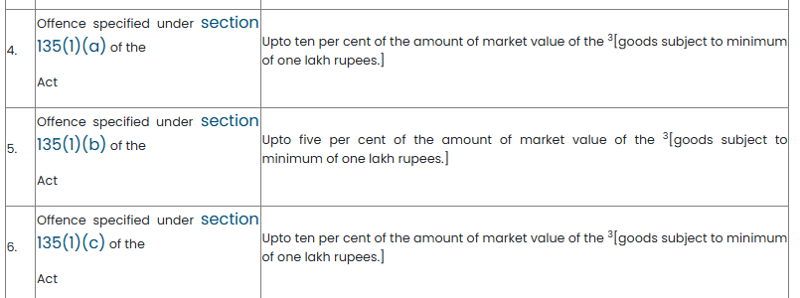

 | 1.Substituted by Notification No. 118/2008-Cus. (N.T.), dated 12-11-2008.

 | 2. Corrected by M.F. (D.R.) Corrigendum F. No. 450/67/2003-Cus. IV (Pt.), dated 18-11-2008.

 | 3. Corrected by M.F. (D.R.) Corrigendum F. No. 450/67/2003-Cus. IV (Pt.), dated 18-11-2008.

 | 4. Inserted by Notification No. 69/2022-Cus. (N.T.), dated 22-08-2022.

Rule 6 : Power of Compounding authority to grant immunity from prosecution | The compounding authority, if he is satisfied that any person who has made the application for compounding of offence under these rules 1[* * * * *] and has made full and true disclosure of facts relating to the case, grant to such person, subject to such conditions as he may think fit to impose, immunity from prosecution for any offence under the Customs Act, 1962 with respect to the case covered by the compounding of offence.

 | 2[Provided that if the offence is punishable only under Section 135AA the immunity from prosecution shall be granted.]

 | 1. Omitted by Notification No. 69/2022-Cus. (N.T.) , dated 22-08-2022.

 | 2. Inserted by Notification No. 69/2022-Cus. (N.T.) , dated 22-08-2022.

Rule 7 : Withdrawal of Immunity from Prosecution in certain conditions | (1) An immunity granted to a person under rule 6 shall stand withdrawn if such person fails to pay any sum specified in the order of compounding passed by the Compounding authority, under sub-rule (3) of rule 4 within the time specified in such order or fails to comply with any other condition subject to which the immunity was granted and thereupon the provisions of the Customs Act, 1962 shall apply as if no such immunity had been granted.

 | (2) An immunity granted to a person under 1[sub-rule (6)] above may, at any time, be withdrawn by the Compounding authority, if he is satisfied that such person had, in the course of the compounding proceedings, concealed any particulars, material or had given false evidence, and thereupon such person may be tried for the offence with respect to which immunity was granted or for any other offence that appears to have been committed by him in connection with the compounding proceedings and thereupon the provisions of the Customs Act, 1962 shall apply as if no such immunity had been granted.

 | 1. Substituted by Notification No. 69/2022-Cus. (N.T.) , dated 22-08-2022.

Customs Tariff UAE Rules, 2022
Customs Tariff (Determination of Origin of Goods under the Comprehensive Economic Partnership Agreement between India and the United Arab Emirates) Rules, 2022

Introduction : | Comprehensive Economic Partnership Agreement between India and the United Arab Emirates) Rules, 2022.
 | [Notification No. 32/2022-Cus. (N.T.), dated 30-4-2022]

 | In exercise of the powers conferred by sub-section (1) of section 5 of the Customs Tariff Act, 1975 (51 of 1975), the Central Government hereby makes the following rules, namely:-

Rule 1 : Short title and commencement | (1) These rules may be called the Customs Tariff (Determination of Origin of Goods under the Comprehensive Economic Partnership Agreement between India and the United Arab Emirates) Rules, 2022.

 | (2) They shall come into force on the 1st day of May, 2022.

Rule 2 : Definitions | In these rules, unless the context otherwise requires, -

 | (a) “agreement” means Comprehensive Economic Partnership Agreement made between the Government of the Republic of India and the Government of the United Arab Emirates;

 | (b) “aquaculture” means the farming of aquatic organisms including fish, molluscs, crustaceans, other aquatic invertebrates, and aquatic plants, from seedstock such as eggs, fry, fingerlings and larvae, by intervention in the rearing or growth processes to enhance production, such as, regular stocking, feeding, protection from predators;

 | (c) “carrier” means any vehicle for air, sea and land transport. However, the carriage of product can be made through multimodal transport;

 | (d) “CIF value” means the price actually paid or payable to the exporter for the product when the product is loaded out of the carrier, at the port of importation, including the cost of the product, insurance, and freight necessary to deliver the product to the named port of destination. The valuation shall be made in accordance with Article VII of the General Agreement on Tariffs and Trade 1994, including its notes and supplementary provision thereof and, the Customs Valuation Agreement;

 | (e) “competent authority” means:

 | (1) for Government of the Republic of India, the Department of Commerce or the Central Board of Indirect Taxes and Customs or any other agency as notified from time to time; and

 | (2) for Government of the United Arab Emirates, the Ministry of Economy or any other agency as notified from time to time;

 | (f) “Customs Administration” means:

 | (1) for Government of the Republic of India, the Central Board of Indirect Taxes and Customs; and

 | (2) for Government of the United Arab Emirates, the Federal Customs Authority;

 | (g) “Customs Valuation Agreement” means the Agreement on Implementation of Article VII of the General Agreement on Tariffs and Trade 1994, set out in Annex 1A to the WTO Agreement;

 | (h) “customs value” means the value of the product as determined in accordance with Article VII of the General Agreement on Tariffs and Trade 1994, including its notes and supplementary provisions thereof and the Customs Valuation Agreement;

 | (i) “days” means calendar days, including weekends and holidays;

 | (j) “Ex-Works price” means the price paid for the product ex-works to the manufacturer in the Party where the last working or processing is carried out, provided the price includes the value of all the materials used;

 | (k) “Free-On-Board (FOB) value” means the price actually paid or payable to the exporter for the product when loaded onto the carrier at the named port of exportation, including the cost of the product, and all costs necessary to bring the product onto the carrier;

 | (l) “GATT 1994” means the General Agreement on Tariffs and Trade 1994, set out in Annex 1A to the WTO Agreement;

 | (m) “generally accepted accounting principles (GAAP)” means the recognised consensus or substantial authoritative support in the territory of a Party, with respect to the recording of revenues, expenses, costs, assets, and liabilities, the disclosure of information and the preparation of financial statements. These standards may encompass broad guidelines of general application as well as detailed standards, practices and procedures;

 | (n) “Harmonised System (HS)” means the Harmonised Commodity Description and Coding System, including its general rules and legal notes, set out in the Annex to the International Convention on the Harmonised Commodity Description and Coding System. However, based on the HS, the Parties could make any amendments which may be adopted and implemented by the Parties in their respective tariff schedules;

 | (o) “indirect material” means a material used in the production, testing or inspection of the product or the operation of equipment associated with the production of the product but not physically incorporated into the product, including:

 | (1) fuel and energy;

 | (2) tools, dies and moulds;

 | (3) spare parts and materials used in maintenance of equipment;

 | (4) lubricants, greases, compounding materials used in production or used to operate equipment;

 | (5) gloves, glasses, footwear, clothing and safety equipment;

 | (6) equipment, devices, supplies used for testing or inspecting of products;

 | (7) catalysts and solvents; and

 | (8) any other material that is not incorporated into the product but for which the use in the production of the products can be reasonably demonstrated to be a part of that production;

 | (p) “issuing authority” means the authority designated by each Party for issuance of certificate of origin and referred in list of issuing authorities for each Party given in AnnexureC and Annexure-D of these rules;

 | (q) “manufacture” means any kind of working or processing, or specific operations but does not include simple assembly;

 | (r) “material” means any ingredient, raw input, component or part used in the production of a product and physically incorporated into it;

 | (s) “measure” means any measure, whether in the form of a law, regulation, rule, procedure, decision, practice, administrative action, or any other form;

 | (t) “non-originating material (NOM)” means any materials whose country of origin is a country other than the Parties or a material whose origin cannot be determined or a material that does not qualify as originating under these rules;

 | (u) “originating material” means materials that qualify as originating under these rules;

 | (v) “Parties” means the Government of the United Arab Emirates and the Government of the Republic of India;

 | (w) “Party” means the Government of the United Arab Emirates or the Government of the Republic of India;

 | (x) “product” means that which is obtained by growing, raising, mining, harvesting, fishing, aquaculture, trapping, hunting, extracting or manufactured, even if it is intended for later use in another manufacturing operation;

 | (y) “production” means growing, raising, mining, harvesting, fishing, aquaculture, trapping, hunting, manufacturing and processing;

 | (z) “tariff classification” means the classification of a product according to the HS, including its General Interpretative Rules and Explanatory Notes thereof;

 | (za) “territorial waters” means waters extending up to twelve nautical miles from the baseline in accordance with applicable rules of international law;

 | (zb) “value of non-originating materials” means the CIF value at the time of importation of the non-originating materials used or if this is not known and cannot be ascertained, the first ascertainable price paid for the materials in the territory of a Party.

 | (zc) “WTO” means the World Trade Organization; and

 | (zd) “WTO Agreement” means the Marrakesh Agreement Establishing the World Trade Organization, done at Marrakesh, on the 15th April 1994.

Rule 3 : Origin Criteria | (1) The product shall be deemed to be originating in a Party and shall be eligible for preferential treatment provided it:

 | (i) is wholly obtained or produced in the territory of the Party as per rule 4; or

 | (ii) has undergone sufficient working or production as per the Product Specific Rules in Annexure-B.

 | (2) The producer or manufacturer has the option to use either of the following two methods of computing the value addition criteria in the Product Specific Rules at Annexure-B of these rules:

 | (a) Value Addition = [(FOB value or Ex-Works price) – (Value of NOM)] / [FOB value or Ex-Works price]

 | or

 | (b) Value Addition = [Cost of originating material + direct labour cost + direct overhead cost] / [FOB value or Ex-Works price]

 | Explanation: For the purposes of sub-rule (2), the differences in value addition percentages depending on the methodology i.e., FOB value or Ex Works price, are defined in Annexure-B of these rules; (3) Notwithstanding anything contained in sub-rule (1), the final manufacture before export must have occurred in the Party of export.

 | (3) Notwithstanding anything contained in sub-rule (1), the final manufacture before export must have occurred in the Party of export

Rule 4 : Wholly obtained or produced product | The following products shall be considered as being wholly obtained or produced in the territory of a Party, namely:-

 | (a) plant and plant product grown and harvested there;

 | (b) live animals born and raised there;

 | (c) products obtained from live animals there;

 | (d) mineral product and natural resources extracted or taken from that Party’s soil, waters, seabed or beneath the seabed;

 | (e) product obtained from hunting, trapping, fishing or aquaculture conducted there;

 | (f) product of sea fishing and other marine products taken from outside its territorial waters by a vessel and/or produced by a factory ship registered, recorded or licensed with a Party and flying its flag;

 | (g) product, other than products of sea fishing and other marine products, taken or extracted from the seabed or the subsoil of the continental shelf or the exclusive economic zone of any of the Parties;

 | (h) waste or scrap resulting from consumption or manufacturing operations conducted in the territory of that Party, fit only for disposal or recovery of raw materials; and

 | (i) product produced in the territory of that Party exclusively from product referred to in clauses (a) to (h).

Rule 5 : De Minimis | (1) Notwithstanding anything contained in sub-rule (1) of rule 3, nonoriginating materials not meeting the required change in tariff classification, applicable in the product specific rule, shall be deemed to be originating if:

 | (a) their total value does not exceed ten per cent. of the FOB value or Ex-Works price of the exported product; or

 | (b) in the case of textiles and clothing under HS chapters 50-63, the weight of the non-originating material is less than seven per cent. of the total weight of the materials used in the production of the exported product or ten per cent. of the FOB value or Ex-Works price.

 | (2) In the case of a wholly obtained product, a de minimis value not exceeding one per cent. of the FOB value or Ex-Works price of the exported product is allowed

Rule 6 : Minimal or Insufficient Operations and Processes | Notwithstanding anything contained in these rules, a product shall not be considered originating in a Party by merely undergoing any of the following operations in the territory of that Party, namely:-

 | (a) operations to ensure the preservation of products in good condition during transport, and storage (such as drying, freezing or thawing, keeping in brine, removal of damaged parts) and other similar operations;

 | (b) changes of packaging and breaking up and assembly of packages;

 | (c) washing, cleaning, removal of dust, oxide, oil, paint or other coverings;

 | (d) for textiles: attaching accessory articles such as straps, bands, beads, cords, rings and eyelets, ironing or pressing of textiles;

 | (e) simple painting and polishing;

 | (f) husking, partial or total bleaching, polishing, and glazing of cereals and rice;

 | (g) operations to colour sugar or form sugar lumps;

 | (h) peeling and removal of stones and shells from fruits, nuts and vegetables;

 | (i) sharpening, simple grinding or simple cutting;

 | (j) simple operations such as removal of dust, sifting, screening, sorting, classifying, grading, matching;

 | (k) simple placing in bottles, cans, flasks, bags, cases, boxes, fixing on cards or boards and all other simple packaging operations;

 | (l) affixing or printing marks, labels, logos and other like distinguishing signs on products or their packaging;

 | (m) simple mixing of products, whether or not of different kinds;

 | (n) simple assembly of parts of articles to constitute a complete article or disassembly of products into parts;

 | (o) slaughter of animals;

 | (p) simple testing, calibration, inspection or certification; or

 | (q) any combination of two or more operations in clauses (a) to (p).

 | (2) For the purposes of sub-rule (1), “simple” describes an activity which needs neither special skills nor machines, apparatus or equipment especially produced or installed to carry out the activity.

Rule 7 : Non-Qualifying Operations | A product shall not be considered to be an originating product merely by reason of,-

 | (a) mere dilution with water or another substance that does not materially alter the characteristics of the product; or

 | (b) a production or pricing practice in respect of which it may be demonstrated, on the basis of a preponderance of evidence, that the object was to circumvent the provisions of these rules.

Rule 8 : Bilateral Cumulation | (1) Originating products from the territory of a Party that are used in the production of a product in the territory of the other Party as materials for finished products shall be considered as materials originating in the territory of the other Party where the manufacture of the finished product has taken place.

 | (2) Notwithstanding sub-rule (1), the last production process should be beyond the minimal or insufficient operations as specified in rule 6

Rule 9 : Packages, Packing Materials and Containers | (1) The packages, packing materials and containers for retail sale in which a product is packed for retail sale, when classified together with the product according to clause (b) of Rule 5 of the General Rule for the Interpretation of the Harmonised System, shall be disregarded in determining whether all non-originating materials used in the manufacture of a product undergo a change in tariff classification applicable to the said product.

 | (2) Wherever such a product is subject to value addition, the value of the packages, packing materials and containers for retail sale in which a product is packed for retail sale shall be taken into account as originating or non-originating, as the case may be, in calculating the value addition for the product.

 | (3) The containers and packing materials exclusively used for the transport or shipment of a product shall not be taken into account for determining the origin of the product

Rule 10 : Accessories, Spare Parts and Tools | Accessories, spare parts, and tools classified and delivered with a product that form part of the products standard accessories, spare parts, or tools as per standard trade practice, shall be considered as originating and part of the product in question:

 | Provided that,-

 | (a) the accessories, spare parts, or tools are not invoiced separately from the product;

 | (b) the quantities and value of the accessories, spare parts, or tools are customary for the product; and

 | (c) the value of the accessories, spare parts, or tools shall be taken into account as originating or non-originating materials, as the case may be, in calculating the value addition of the product under rule 3.

Rule 11 : Indirect Materials | Indirect materials, shall be considered neither originating nor nonoriginating when the qualifying value addition is calculated under sub-rule (2) of rule 3.

Rule 12 : Accounting Segregation | (1) The determination of whether fungible products or materials are originating products shall be made ordinarily by physical segregation of each product or material or in case of any difficulty, an inventory management method, such as averaging, last-in first-out, or first-in first-out recognised in the generally accepted accounting principles of the Party in which the production is performed, or otherwise accepted by the Party.

 | (2) The accounting method shall continue to be used for those fungible products or materials throughout the fiscal year of the Party and shall be recorded, applied and maintained in accordance with the generally accepted accounting principles applicable in the Party in which the product is manufactured. The method chosen shall:

 | (a) permit a clear distinction to be made between originating and non-originating materials including materials of undetermined origin acquired and/or kept in stock; and

 | (b) guarantee over the relevant accounting period of twelve months that no more products receive originating status than would be the case if the materials had been physically segregated.

 | (3) A producer using an inventory management system shall keep records of the operation of the system necessary for the competent authority of the Party concerned to verify compliance with the provisions of these rules.

 | (4) The competent authority may require from its exporters that the application of the method for managing stocks under this rule will be subject to prior authorisation. in which the production is performed.

Rule 13 : Transport | (1) Preferential treatment shall only be granted to those originating products that are transported directly between the Parties.

 | (2) Notwithstanding anything in sub-rule (1), if an originating product is transported outside the territories of the Parties, the product retains its originating status if the product,-

 | (a) remains under customs control in the territory of a non-Party and has not entered the trade or consumption in the non-Party; and

 | (b) does not undergo an operation outside the territories of the Parties other than: unloading; reloading; separation from a bulk shipment; storing; labelling or marking, if required by the importing Party; or any other operation necessary to preserve it in good condition or to transport the product to the territory of the importing Party.

 | (3) An importer shall upon request supply appropriate evidence to the customs authorities of the importing Party that the conditions set out in sub-rule (2) have been fulfilled.

Rule 14 : Proof of Origin | (1) For products originating in a Party and fulfilling the requirements of these rules, the proof of origin of an exported product shall be provided through any of the following means, namely:-

 | (a) a paper Certificate of Origin in electronic or hard copy format issued by a competent authority referred to in rule 15;

 | (b) a fully digitised Certificate of Origin issued by a competent authority and exchanged by a mutually developed electronic system under rule 33;

 | (c) an origin declaration made out by an approved exporter referred to in rule 34.

 | (2) A Certificate of Origin shall be valid for twelve months from the date of issue in the exporting Party.

 | (3) The Certificate of Origin shall be submitted to the Customs Administration of the importing Party in accordance with the procedures applicable in that Party.

Rule 15 : Certificate of Origin and Certification Procedures | (1) The Certificate of Origin shall be in the format as specified in Annexure-E and shall include the HS Code, description and quantity of the products, name of consignee, name of exporter or producer or manufacturer, country of origin, and origin criteria such as value content or change in tariff classification.

 | (2) The Certificate of Origin shall be in the English language.

 | (3) The Certificate of Origin shall bear a unique, sequential serial number separate for each office of issuance and affixed by the issuing authority in the exporting Party.

 | (4) The Certificate of Origin shall be issued by the competent authority of each Party and it shall bear the authorised signature and official seal of the competent authority.

 | (5) The Certificate of Origin shall be valid for the purpose of only one import and shall include one or more products.

 | (6) The number and date of the commercial invoice or any other relevant documents shall be indicated in the box reserved for this purpose in the Certificate of Origin.

 | (7) The Certificate of Origin shall be submitted within its validity period.

 | (8) In exceptional circumstances, the Certificate of Origin may be accepted by the Customs Administration in importing Party for the purpose of granting preferential tariff treatment even after the expiry of its validity, provided that the failure to observe the time limit results from force majeure or other valid reasons beyond the control of the exporter and the products have been imported before the expiry of the validity period of the said Certificate of Origin.

 | (9) The Certificate of Origin shall be forwarded by the exporter to the importer and importer shall produce original copy of the Certificate of Origin to the customs authorities.

 | (10) Neither erasures nor superimposition shall be allowed on the Certificate of Origin. Any alterations shall be made by striking out the erroneous material and by making any addition required. Such alteration shall be approved by a person authorised to sign the Certificate of Origin and certified by the appropriate competent authority or by issuing a new Certificate of Origin to replace the erroneous one. Unused spaces shall be crossed out to prevent any subsequent addition.

 | (11) The Certificate of Origin shall be issued prior to, at or within a period of five working days of the date of exportation. However, under exceptional cases, where a Certificate of Origin has not been issued at the time of exportation or within five working days from the date of shipment due to involuntary errors or omissions, or any other valid reasons, the Certificate of Origin may be issued retrospectively, bearing the words “ISSUED RETROSPECTIVELY” in box 9 of the Certificate of Origin, with the issuing authority also recording the reasons in writing on the exceptional circumstances due to which the certificate was issued retrospectively. The Certificate of Origin can be issued retrospectively but no longer than twelve months from the date of shipment.

 | (12) In the event of theft, loss or destruction of a Certificate of Origin, the manufacturer, producer, exporter or their authorised representative may apply in writing to the issuing authority for a certified true copy of the original made on the basis of the export documents in their possession bearing the endorsement of the words “CERTIFIED TRUE COPY” (in lieu of the original certificate) and the date of issuance of the original Certificate of Origin. The certified true copy of a Certificate of Origin shall be issued within the validity period of the original Certificate of Origin. The exporter shall immediately notify the loss and undertake not to use the original Certificate of Origin for exports under these rules to the competent authority.

 | (13) Minor discrepancies between the Certificate of Origin and the documents submitted to the Customs Administration at the port of importation for the purpose of carrying out the formalities for importing the products shall not ipso facto invalidate the Certificate of Origin, if such Certificate of Origin corresponds to the products under importation. Minor discrepancies include typing errors or formatting errors, subject to the condition that these minor errors do not affect the authenticity of the Certificate of Origin or the accuracy of the information included in the Certificate of Origin. Discrepancies in the specimen signatures or seals of the issuing authority shall not be regarded as minor discrepancies

Rule 16 : Third-Party Invoicing | (1) An importing Party shall not deny a claim for preferential tariff treatment for the sole reason that an invoice was not issued by the exporter or producer of a product provided that it meets the requirements in these rules.

 | (2) The exporter of the products shall indicate “third-party invoicing” and such information as name, address, invoice date and number, and the country of the company issuing the invoice shall appear in a separate column in the Certificate of Origin.

Rule 17 : Authorities | (1) The Certificate of Origin shall be issued by authorities designated by the Parties(hereinafter referred to as issuing authority).

 | (2) Each Party shall inform the competent authority and the Customs Administration of the other Party of the names and addresses of the officials of the issuing authority designated to issue Certificates of Origin under these rules.

 | (3) The Parties shall exchange specimen seals and signatures of the authorised signatories issuing the Certificate of Origin.

 | (4) Each Party shall intimate the name, designation and contact details (address, phone number, fax number, e-mail) of its authorities,

 | (a) to whom the specimen seals and signatures of the issuing authorities of the other Party should be communicated:

 | (i) India: Central Board of Indirect Taxes and Customs, Department of Revenue, Government of the Republic of India

 | (ii) United Arab Emirates: Competent authority

 | (b) to whom the reference of verification of the Certificate of Origin issued by the Party, should be addressed:

 | (i) India: Department of Commerce, Government of the Republic of India

 | (ii) United Arab Emirates: Competent authority

 | (c) from whom the specimen seals and signatures of the issuing authorities of the other Party would be received:

 | (i) India: Department of Commerce, Government of the Republic of India

 | (ii) United Arab Emirates: Competent authority

 | (d) from whom references would emanate for verification of the Certificate of Origin issued by the other Party:

 | (i) India: Central Board of Indirect Taxes and Customs, Department of Revenue, Government of the Republic of India

 | (ii) United Arab Emirates: Competent authority

 | (5) Any change in names, designations, addresses, specimen signatures or officials’ seals shall be promptly informed to the other Party.

 | (6) Each Party shall, within a period of thirty days of the date of entry into force of these rules for that Party, designate one or more contact points within its competent authority for the implementation of these rules and notify the other Party of the contact details of that contact point. Each Party shall promptly notify the other Party of any change to those contact details.

 | (7) Any changes in authorities or agencies listed under these rules shall be promptly notified to the other Party.

Rule 18 : Application for Certificate of Origin | (1) For the issue of a Certificate of Origin, the final producer, manufacturer or exporter of the product shall present or submit electronically through the approved channel, to the issuing authority of the exporting Party,-

 | (a) an application to the competent authority together with appropriate supporting documents for proving origin;

 | (b) set of minimum information requirements referred to in Annexure-A annexed to these rules in whichever form or format as may be required by the competent authority and in consonance with the description in the invoice;

 | (c) the corresponding commercial invoice or other documents necessary to establish the origin of the product; and

 | (d) the HS code, description, quantity and value of exported product if the same has already not been provided for.

 | (2) Multiple items declared on the same Certificate of Origin shall be allowed:

 | Provided that each item must qualify separately in its own right.

 | (3) The issuing authority may apply a risk management system in order to selectively conduct pre-export verification of the minimum required information filed by an exporter or producer or manufacturer . The verification may, at the discretion of the issuing authority, include methods such as obtaining detailed cost sheets, and conducting factory visit.

Rule 19 : Preservation of Documents | (1) The issuing authorities shall keep the minimum required information and supporting documents for a period of not less than five years, as from the date of issue.

 | (2) The importer shall keep records relevant to the importation in accordance with the laws and regulations of the importing Party. The application for Certificates of Origin and all documents related to such application shall be retained by the competent authority for not less than five years from the date of issue.

 | (3) The records in sub-rules (1) and (2) may include electronic records and shall be maintained in accordance with the laws and practices of each Party.

Rule 20 : Obligation of the Exporter or Producer or Manufacturer | (1) The exporter or producer or manufacturer shall submit the minimum required information, as referred in clause (b) of sub-rule (1) of rule 18, and supporting documents for the issue of the Certificate of Origin as per the procedures followed by the issuing authority in the exporting Party only in cases where a product conforms to the Rules of Origin provided in these rules.

 | (2) Any exporter or producer or manufacturer who falsely represents any material information relevant to the determination of origin of a product shall be liable to be penalised under the laws and regulations of the exporting Party.

 | (3) The exporter or producer or manufacturer shall keep the minimum required information, as referred in clause (b) of sub-rule (1) of rule 18, and supporting documents for a period not less than five years, starting from the end of the year of the date of its issue.

 | (4) For the purpose of the determination of origin, the exporter or producer or manufacturer applying for a Certificate of Origin or Origin Declaration under these rules shall maintain appropriate commercial accounting records for the production and supply of products as well as relevant records and documents from the suppliers qualifying for preferential treatment and keep all commercial and customs documentation relating to the material used in the production of the product, including breakup of costs relating to material, labour, other overheads, and any other relevant elements such as profits and related components for at least five years from the date of issue of the Certificate of Origin.

 | (5) The exporter or producer or manufacturer shall, upon request of the competent authority of the exporting Party where the Certificate of Origin has been issued, make available records for inspection to enable verification of the origin of the product.

 | (6) The exporter or producer or manufacturer shall not deny any request for a verification visit, agreed between the competent authority of the exporting Party and the competent authority of the importing Party, under the terms of rule 22. Any failure to consent to a verification visit shall be grounds for a denial of preferential benefits claimed under these rules.

 | (7) The exporter or producer or manufacturer shall undertake to notify the issuing authority, customs authorities and the importer of any change that could affect its accuracy or validity

Rule 21 : Presentations of the Certificate of Origin | (1) For the purposes of claiming preferential tariff treatment, the importer or its authorised representative shall submit to the Customs Administration of the importing Party, at the time of filing import declaration, an original copy of the Certificate of Origin including supporting documents as required, in accordance with the laws and regulations of the importing Party.

 | (2) If a claim for preferential treatment is made without producing the original copy of the Certificate of Origin as referred to in rule 15, the Customs Administration of the importing Party may deny preferential treatment and request a guarantee in any of its modalities or may take any action necessary in order to preserve fiscal interests, as a pre-condition for the completion of the importation operations subject to and in accordance with the laws and procedures of the importing Party.

 | (3) Each Party shall, in accordance with its laws, provide that where a product would have qualified as an originating product when it was imported into the territory of that Party, the importer of the product may, within a period specified by the laws of the importing Party, apply for a refund of any excess duties paid as a result of the product not having been accorded preferential treatment

Rule 22 : Verification of Certificates of Origin | (1) For the purpose of determining the authenticity and the correctness of the information given in the Certificate of Origin, the importing Party may conduct verification by means of,-

 | (a) requests for information from the importer;

 | (b) requests for assistance from the competent authority of the exporting Party as provided for in sub-rule (2);

 | (c) written questionnaires to an exporter or a producer in the territory of the other Party through the competent authority of the exporting Party;

 | (d) visits to the premises of an exporter or a producer in the territory of the other Party; or

 | (e) such other procedures as the Parties may agree.

 | (2) For the purposes of clause (b) of sub-rule (1), the competent authority of the importing Party,-

 | (a) may request the competent authority of the exporting Party to assist it in verifying:

 | (i) the authenticity of a certificate of origin; and/or

 | (ii) the accuracy of any information contained in the certificate of origin; and/or

 | (iii) the authenticity and accuracy of the information and documents, including breakup of costs relating to material, labour, other overheads and any other relevant elements such as profits and related components which are relevant to the origin determination of the product under rule 3;

 | (b) shall provide the competent authority of the other Party with,-

 | (i) the reasons why such assistance is sought;

 | (ii) the Certificate of Origin, or a copy thereof; and

 | (iii) any information and documents as may be necessary for the purpose of providing such assistance.

 | (3) In so far as possible, the competent authority of the importing Party conducting a verification shall seek necessary information or documents relating to the origin of imported product from the importer, in accordance with its laws and regulations, before making any request to the competent authority of the exporting Party for verification.

 | (4) In cases where the competent authority of the importing Party deems necessary to seek verification from the competent authority of the exporting Party, it shall specify whether the verification is on a random basis or the veracity of the information is in doubt In case the determination of origin is in doubt, the competent authority shall provide detailed grounds for the doubt concerning the veracity of the Certificate of Origin.

 | (5) The proceedings of verification of origin as provided in these rules shall also apply to the products already cleared for home consumption under preferential tariffs in accordance with the provision of these rules.
...
 | 5. Good - wise cost breakup information (to be furnished for each good listed in Para 4 above):

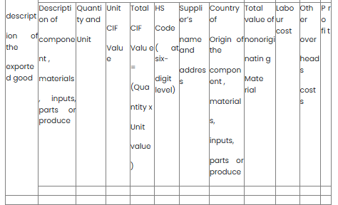

 | In column H, the entry shall be made to indicate the Country of Origin in terms of the Rules of Origin as one of the following:

 | (i) India;

 | (ii) United Arab Emirates; or ( iii) non-originating materials.

 | 6. Calculation (Complete one)

 | (i) Value of non-originating materials used in production as a percentage of FOB value or Ex-Works price; or
...
 | Signature and Name of the Competent Authority with Official Seal (can be applied electronically)

Annexure-B : [see rule 3] | Product Specific Rules

 | Rule 1

 | Definitions

 | For the purposes of this Annexure:
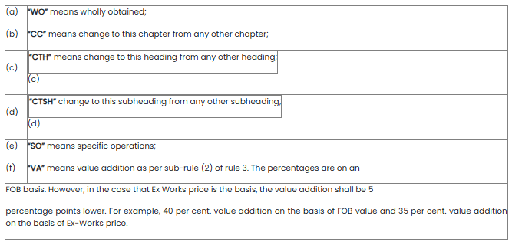

 | Notwithstanding the above, in the case of products under HS 71, the value addition must be on the basis of FOB value;

 | Rule 2
 | Review

 | Both Parties agree to review the Product Specific Rules (PSR) within two years of entry into force of these rules.

 | TABLE 1

 | PRODUCT SPECIFIC RULES
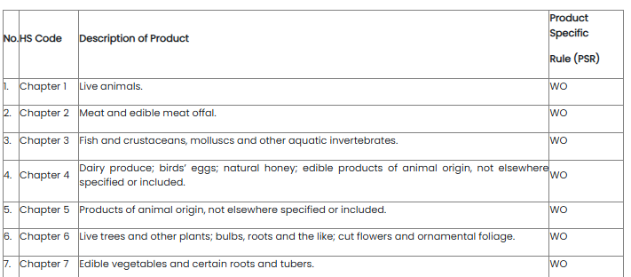

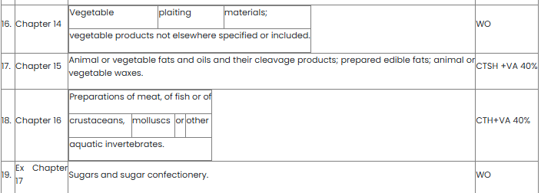

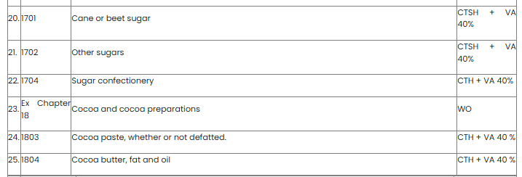

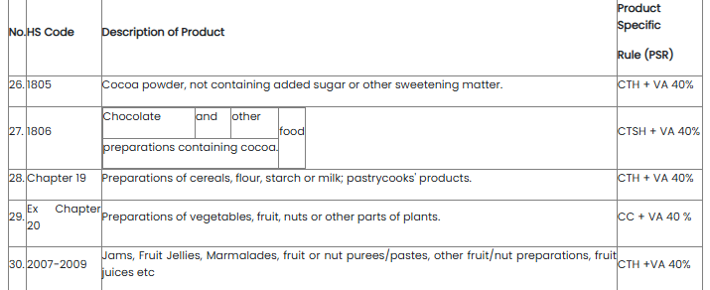

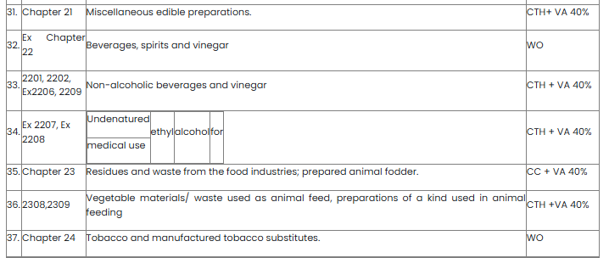

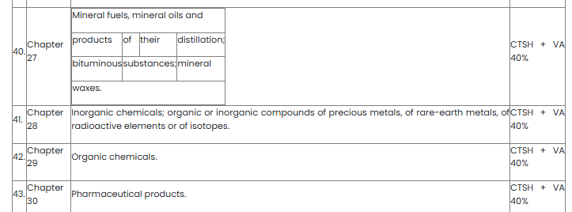

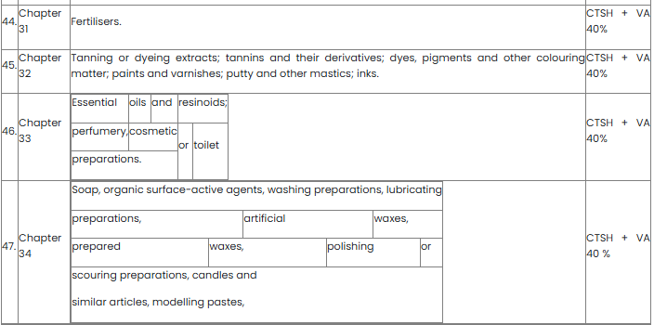

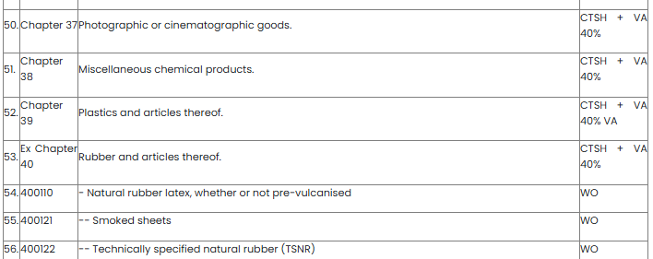

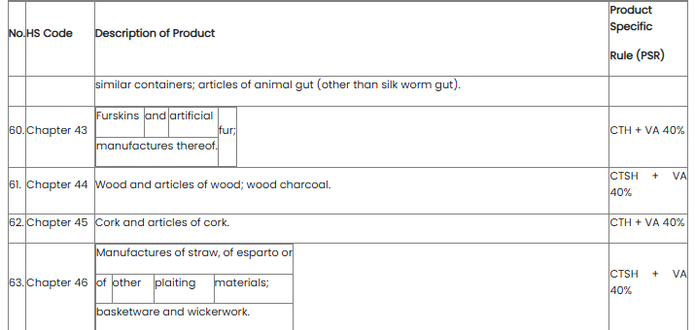

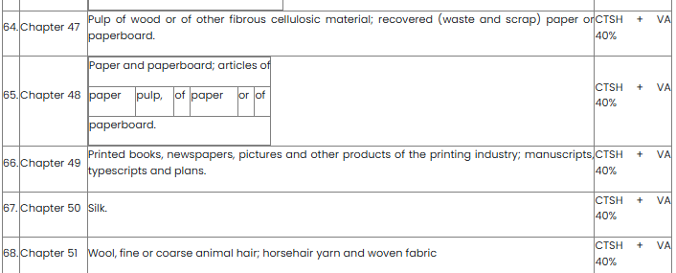

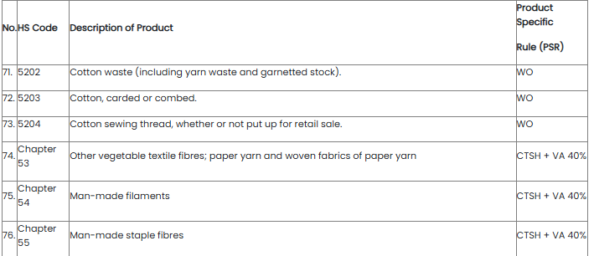

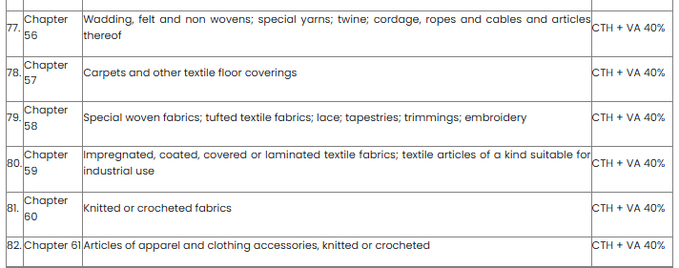

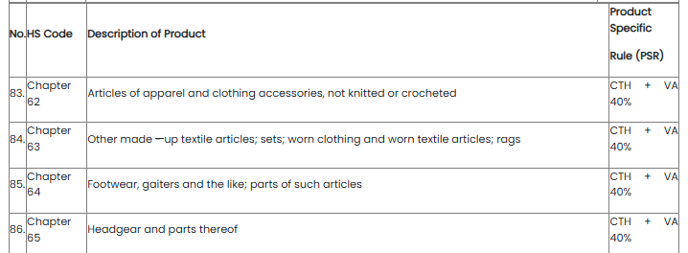

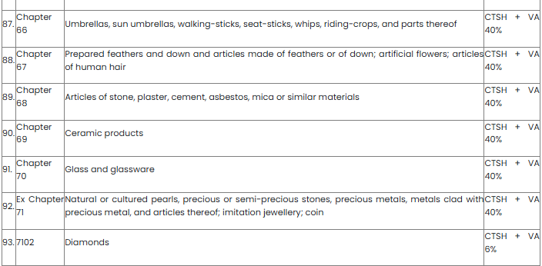

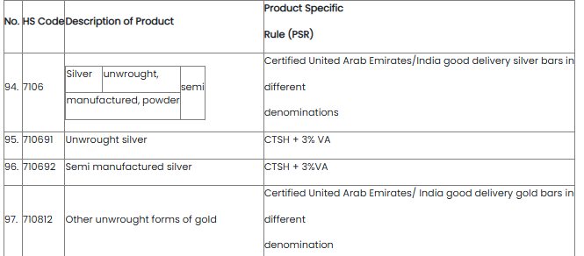

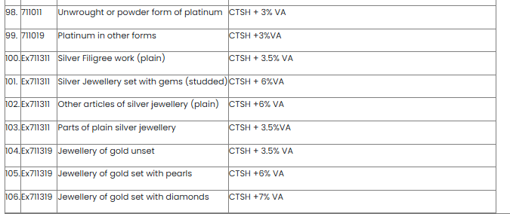

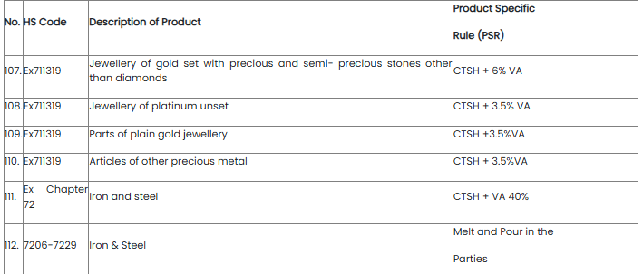

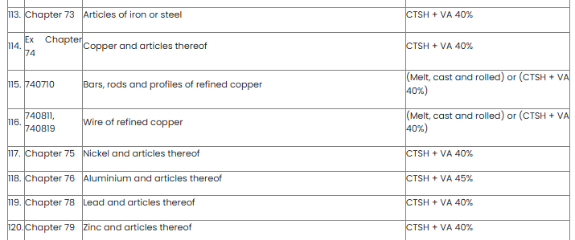

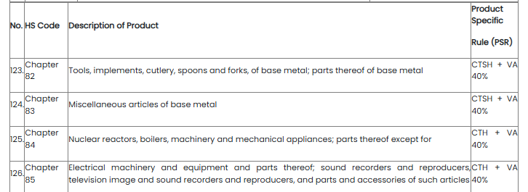

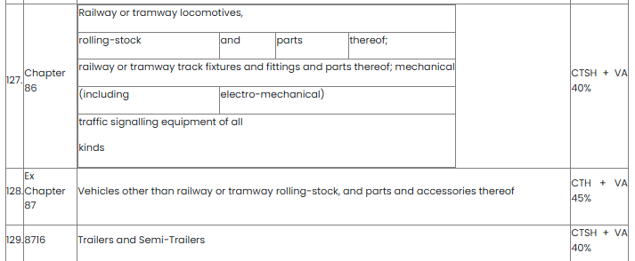

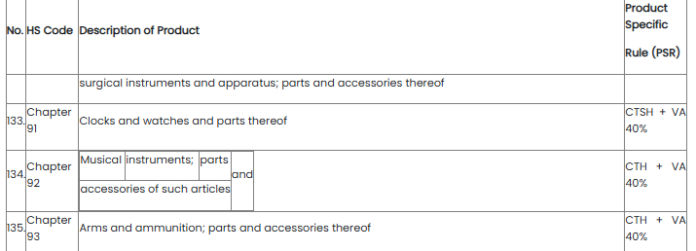

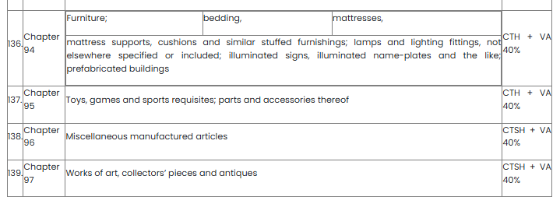

Annexure-C : [see clause (p) of rule 2] | Issuing Authorities of the Government of India
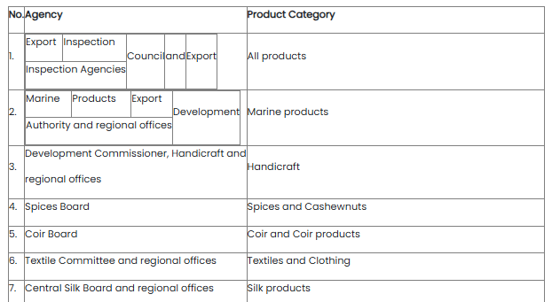

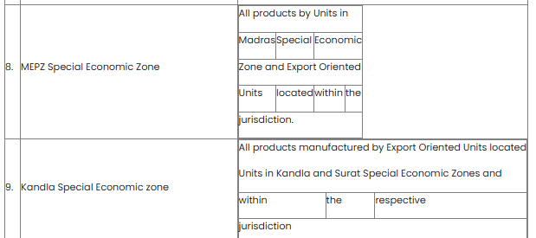

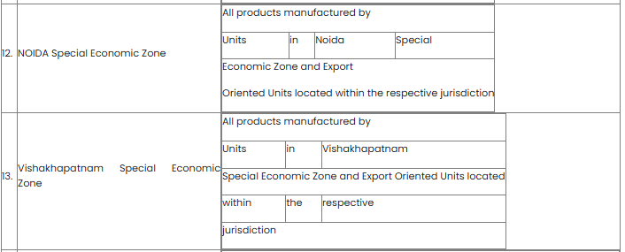

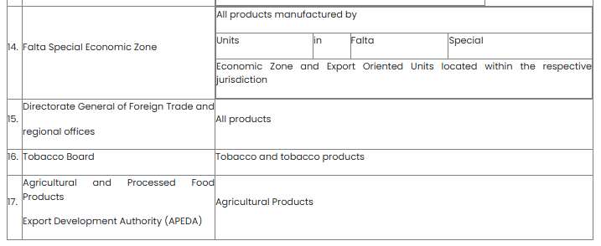

Annexure-D : [see clause (p) of rule 2] | Issuing Authorities of the Government of the United Arab Emirates

Annexure-E : [see sub-rule (1) of rule 15] | Format of the Certificate of Origin under the India-UAE Trade Agreement

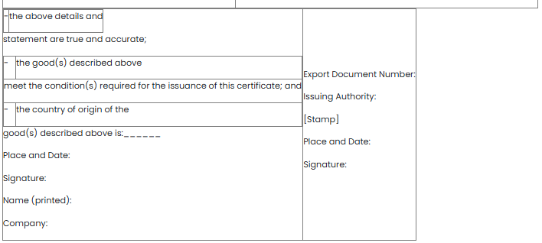

 | Overleaf Notes:

 | The following origin criteria code should be inserted in Box 5:

 | (i) WO for Wholly Obtained; or

 | (ii) PSR for Product Specific Rules.

CustomsTariff In-Sk Rules, 2009
...
(i) there shall be no obligation to prove that there is serious injury;

(ii) there shall be no obligation for advance consultation;

(iii) there shall be no limit to the duration or frequency of suspension; and,

(iv) there shall be no obligation for compensation.

PART - II
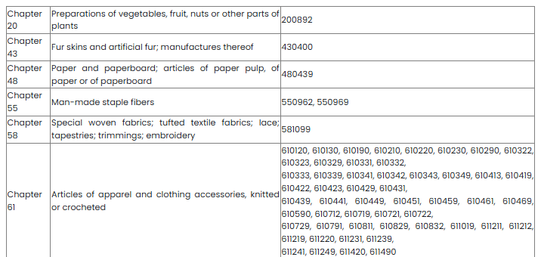
...

Customs Tariff Rules, 1977
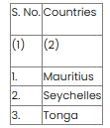
...
5. Motor cycles and motor scooters and articles (other than rubber tyres and tubes) adapted for use as parts and accessories thereof.

DECLARATION OF PREFERENTIAL AREAS

Notification No. 101-Cus., dated 1-4-1982

In exercise of the powers conferred by sub-section (3) of section 4 of the Customs Tariff Act, 1975 (51 of 1975), and in super session of the notification of the Government of India in the Department of Revenue and Banking No. 352-Customs, dated the 2nd August, 1976, the Central Government hereby declares the countries specified in the Table below to be "preferential areas" for the purposes of said section.

Table

Customs Tariff Rules, 2003
...
Rule 13 : Co-operation between contracting parties | (a) The Contracting Parties will do their best to co-operate in order to specify origin of inputs in the Certificate of origin.

 | (b) The Contracting Parties will take measures necessary to address, to investigate and, where appropriate, to take legal and/or administrative action to prevent circumvention of this Agreement through false declaration concerning country of origin or falsification of original documents.

 | (c) Both the Contracting Parties will co-operate fully, consistent with their domestic laws and procedures, in instances of circumvention or alleged circumvention of the Agreement to address problems arising from circumvention including facilitation of joint plant visits and contacts by representatives of both Contracting Parties upon request and on a case-by-case basis.

 | (d) If either Party believes that the rules of origin are being circumvented, it may request consultation to address the matter or matters concerned with a view to seeking a mutually satisfactory solution. Each party will hold such consultations promptly.

Certificate of Origin | CERTIFICATE OF ORIGIN
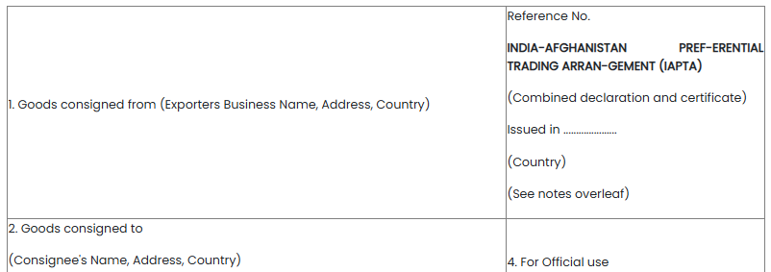

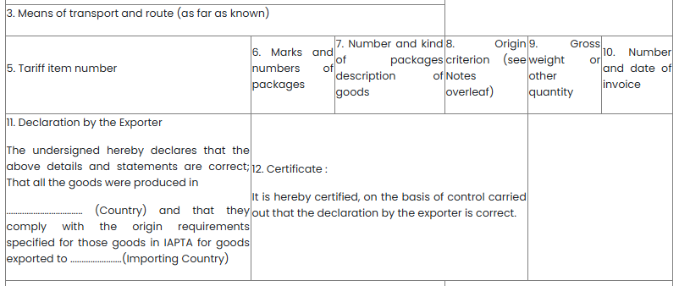

 | To qualify for preference, products must :

 | fall within a description of products eligible for concessions in the country of destination under this agreement.

 | comply with IAPTA Rules of Origin. Each Article in a consignment must qualify separately in its own right; and
...

Customs Valuation E Rules, 2007
...
 | (b) "transaction value" means the value of export goods within the meaning of sub-section (1) of section 14 of the Customs Act, 1962 (52 of 1962).

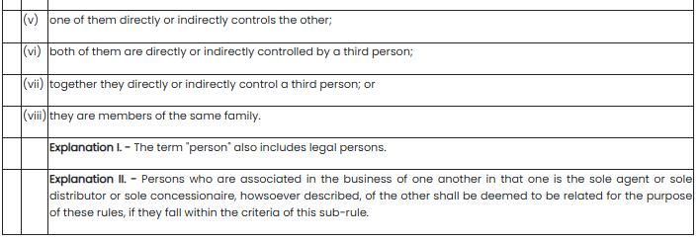

Rule 3 : Determination of the method of valuation | (1) Subject to rule 8, the value of export goods shall be the transaction value.

 | (2) The transaction value shall be accepted even where the buyer and seller are related, provided that the relationship has not influenced the price.

 | (3) If the value cannot be determined under the provisions of sub-rule (1) and sub-rule (2), the value shall be determined by proceeding sequentially through rules 4 to 6.

Rule 4 : Determination of export value by comparison | (1) The value of the export goods shall be based on the transaction value of goods of like kind and quality exported at or about the same time to other buyers in the same destination country of importation or in its absence another destination country of importation adjusted in accordance with the provisions of sub-rule (2).
...

Customs Valuation I Rules, 2007
...
1. In applying rule 5, the proper officer of customs shall, wherever possible, use a sale of similar goods at the same commercial level and in substantially the same quantities as the goods being valued. For the purpose of rule 5, the transaction value of similar imported goods means the value of imported goods, adjusted as provided for in rule 5(2) which has already been accepted under rule 3.

2. All other provisions contained in note to rule 4 shall mutatis mutandis also apply in respect of similar goods.

Note to rule 7

1. The term "unit/price at which goods are sold in the greatest aggregate quantity" means the price at which the greatest number of units is sold in sales to persons who are not related to the persons from whom they buy such goods at the first commercial level after importation at which such sales take place.

2. As an example of this, goods are sold from a price list which grants favorable unit prices for purchases made in larger quantities.
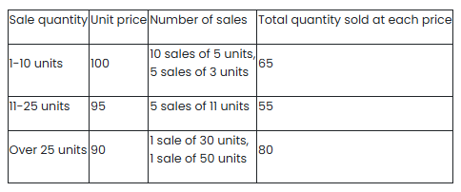

The greatest number of units sold at a price is 80, therefore, the unit price in the greatest aggregate quantity is 90.

3. As another example of this, two sales occur. In the first sale 500 units are sold at a price of 95 currency units each. In the second sale 400 units are sold at a price of 90 currency units each. in this example, the greatest number of units sold at a particular price is 500, therefore, the unit price in the greatest aggregate quantity is 95.

4. A third example would be the following situation where various quantities are sold at various prices.

(a) Sales
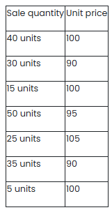

(b) Totals
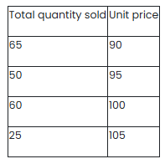

In this example, the greatest number of units sold at a particular price is 65, therefore, the unit price in the greatest aggregate quantity is 90.

5. Any sale in India, as described in paragraph 1 above to a person who supplies directly or indirectly free of charge or at reduced cost for use in connection with the production and sale for export of the imported goods any of the elements specified in rule10(l)(b), should not be taken into account in establishing the unit price for the purposes of rule 7.

6. It should be noted that "profit and general expenses" referred to in rule 7(1) should be taken as a whole. The figure for the purposes of this deduction should be determined on the basis of information supplied by or on behalf of the importer unless his figures are inconsistent with those obtaining in sales in India, of imported goods of the same class or kind. Where the importer's figures are inconsistent with such figures, the amount for profit and general expenses may be based upon relevant information other than that supplied by or on behalf of the importer.

7. The "general expenses" include the direct and indirect costs of marketing the goods in question.

8. Local taxes payable by reason of the sale of the goods for which a deduction is not made under the provisions of rule 7(l)(iii) shall be deducted under the provisions of rule 7(l)(i).
...

